Application Screen
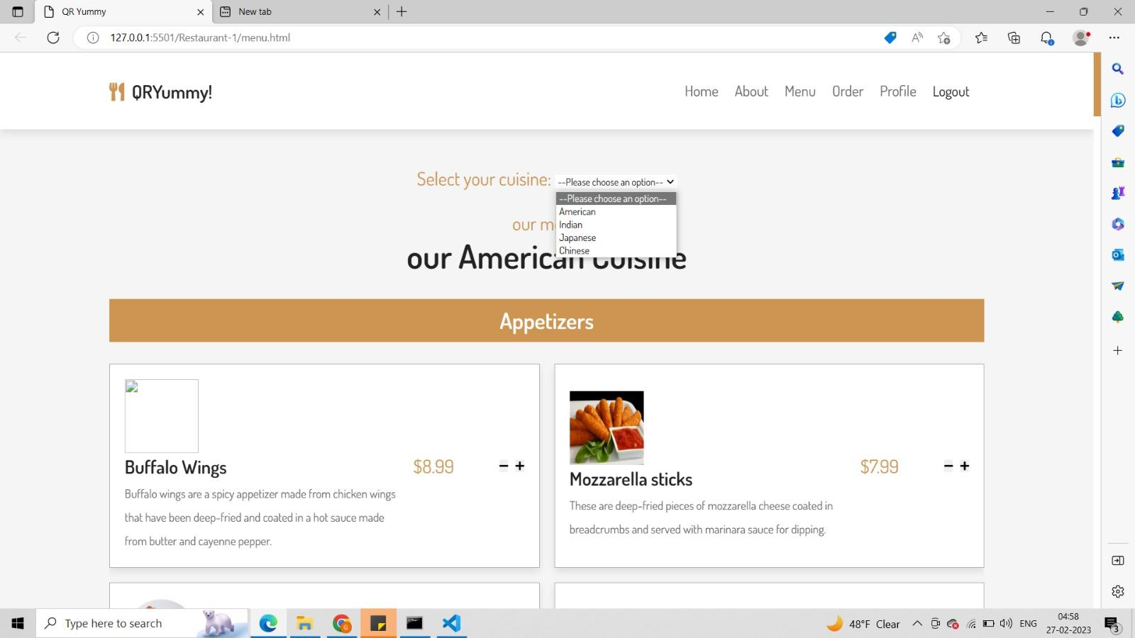

Test Case 5
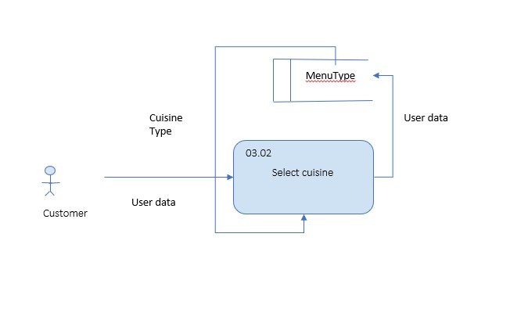
TC Title: | TC5. Selecting A Cuisine - Data Flow Out

TC Objective: | To test if the data based on the cuisine options is properly reflected on the screen.

TC Description
 | Step | Step Description | Expected Results
 | 1 | Select any cuisine option from the dropdown menu. | The default menu on the page is replaced with the menu associated with the choice that was made.

